1. Title Page
Instacart User Analysis

Project Name: Instacart User Analysis
Date: 4/26/2023
Analyst Name: J. Carpenter
Citation: The Instacart Online Grocery Shopping Dataset 2017”, Accessed from www.instacart.com/datasets/grocery-shopping-2017 via Kaggle on 3/29/23

Contents:
Population Flow
Consistency checks
Wrangling steps
Column derivations
Visualizations
Recommendations

2. Population Flow
Title page

Population flow

Exclusion flag
Condition: max_order < 5
Obervations to be removed: all max_order < 5
Final total count of order_products_all: 24437464

Orders_products_combined
Orders_products_merged
ICB_full_merge

Total: 32435070
Total: 32434489
Total: 32435059

3. Consistency checks
 |  |  |  | Title page
Consistency checks

Dataset | Missing values | Missing values treatment | Duplicates
orders | days_since_prior_order | none: accurate data | none
products | product_name | Removed rows | removed
orders_products_prior | none | none: accurate data | none
customers | none | none: accurate data | none
crosstab | days_since_prior_order | crosstab run: no dspo before first order | N/A

4. Wrangling steps
 |  |  |  | Title page
Wrangling steps

Columns dropped | Columns renamed | Columns' type changed | Comment/Reason
_merge |  |  | unnecessary after checking data merger
customer[first_name] |  |  | PII reasons/unnecessary
customer[surnam] |  |  | PII reasons/unnecessary
 | customer[n_dependants] to dependants |  | conciseness
 | orders_day_of_week |  | conciseness and clarity
 | hour_of_order |  | clarity
 |  | order_id | changed to string
 |  | user_id | changed to string

5. Column derivations
 |  |  |  | Title page

Column derivations and aggregations

Dataset | New column | Column/s it was derived from | Conditions
ICB_full_merge | max_order | order_number & user_id | groupby(['user_id'])['order_number'].transform(np.max)
ICB_full_merge | loyalty_flag | max_order | >40 / <=40 & > 10 /<10
ICB_full_merge | mean_price | price | mean price
ICB_full_merge | spending_flag | mean_price | <10 / >=10
ICB_full_merge | med_dspo | days since prior order | median days since prior order
ICB_full_merge | frequent_shopper | med_dspo | >20 / <= 20 & >10 / <1o
ICB_full_merge | region | state & num | df_full.loc[df_full['num'] <= 9, 'region'] = 'North' df_full.loc[(df_full['num'] >= 10) & (df_full['num'] <=21), 'region'] = 'Mid-West' df_full.loc[(df_full['num'] >= 22) & (df_full['num'] <=38), 'region'] = 'South' df_full.loc[df_full['num'] >= 39, 'region'] = 'West'
ICB_full_merge | exclusion_flag | order_number | < 5 :0 >5:1
ICB_full_merge | parent | dependants | !=0:True =0:False
ICB_full_merge | young parent | parent & age | Parent = true & Age <=25:True

Region: |  | Exclusion Flag:
South 10801982 |  | 0 | 7997595
West 8300617 |  | 1 | 24437464
Mid-West 7604016
North 5728444

loyalty_flag |  | Spending Flag
regular customer 15891507 |  | low spender 31800381
loyal customer 10294027 |  | high spender 634678
new customer 6249525

Frequent Shopper |  | Parent | Young Parent
frequent 21578273 |  | True 24329714 | False 21279066
regular 7217066 |  | False 8105345 | True 3050648
non-frequent 3639720

6. Visualizations
Title page

Visualisations

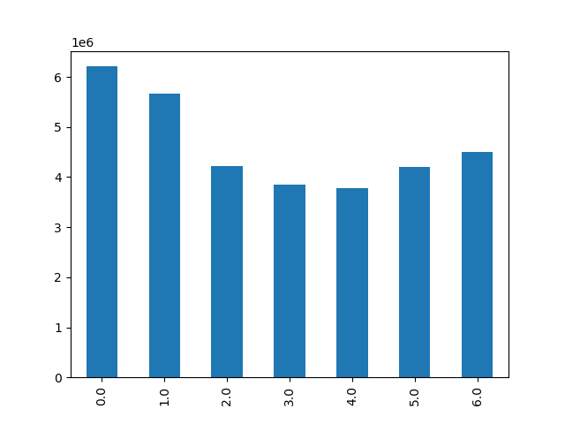

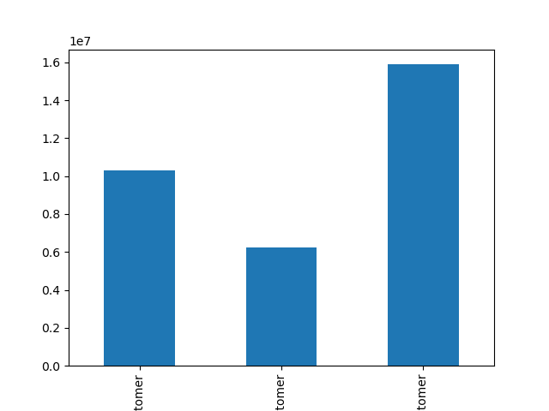

Figure 1: Orders per Day of the Week
Highest orders on Saturday (day zero), followed closely by Sunday (day one).
Figure 2: Customer Loyalty
The majority of Instacart orders come from regular customers.
Figure 3: Orders per Hour
According to the histogram, the highest number of orders happen durring the 10:00 hour while the highest concentration is between 10:00 and 3:00.

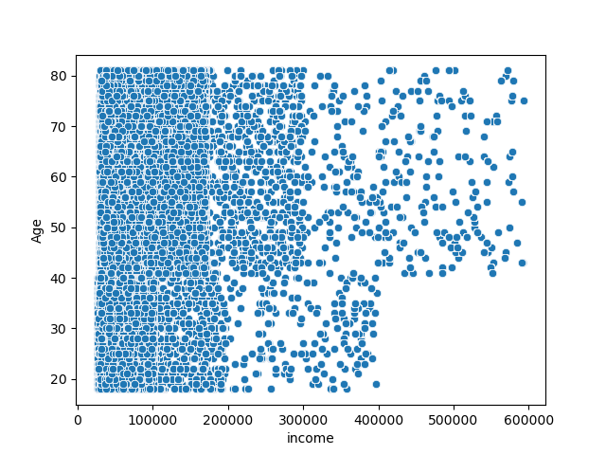
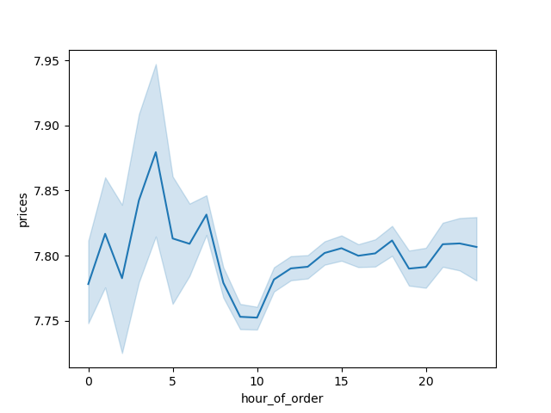
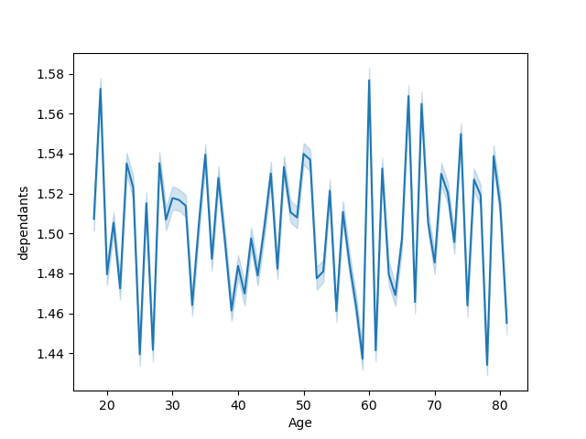

Figure 5: Average Number of Dependants Across Customer Age
No visible patern or corralation present.
Figure 4: Prices by Hour
Despite low overall orders during the 4:00 and 5:00 hours as depicted in Figure 3, more high price items are bought during this time.
Figure 6: Income and Age
While a majority of customers are lower to middle class, the few customers that are more affluent tend to be older.

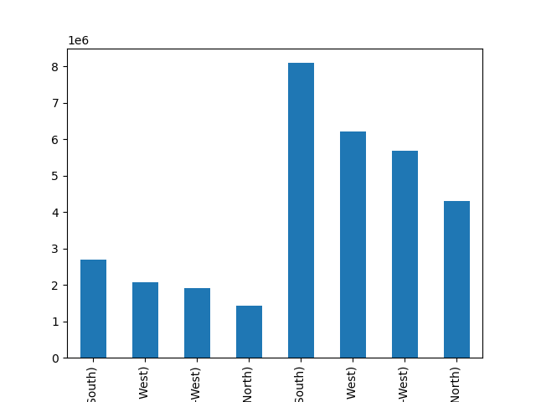
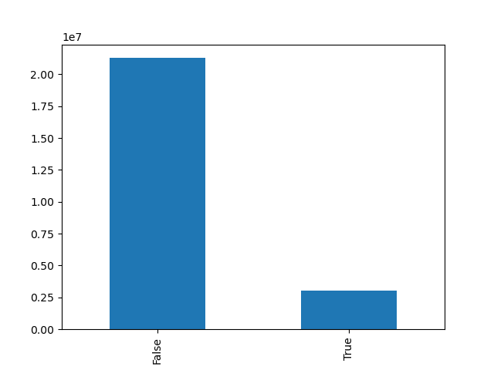
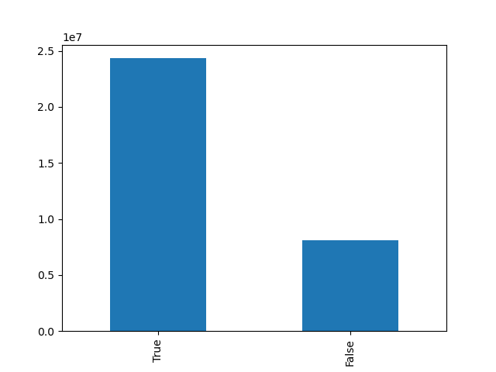

Figure 9: Parents by Region
Figure 7 shows that the majority orders are placed by parents, while this figure shows that this is true across all regions. The South makes up the majority of orders as well.
Figure 7: Parents and Non-Parents
The majority of Instacart orders come from parents.
Figure 8: Young Parents
While a majority of Instacart orders are made by parents, very few orders are placed by young parents (parents 25 and under).
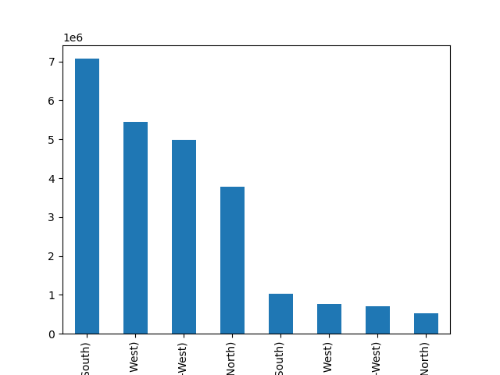
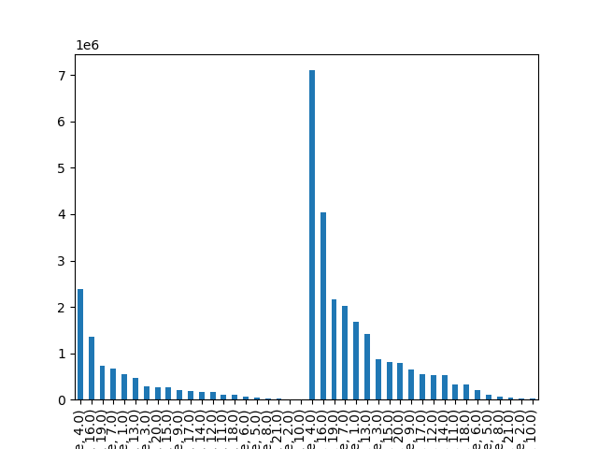
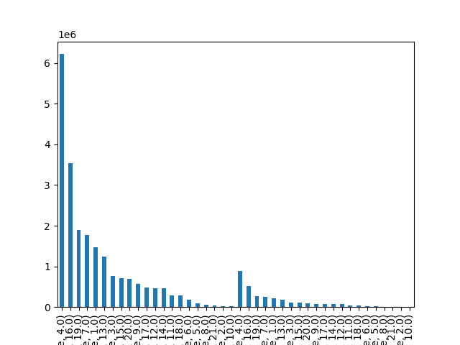

Figure 10: Department Orders from Parents and Non-Parents
Parents also make up the majority of orders broken down by department.
Figure 11: Parents and Young Parents by Region
While Figure 8 shows that there are fewer young parents, this Figure displays that the number of young parents is more evenly spread across each region.
Figure 12: Parents And Young Parents by Department
Young Parents do not produce more orders than standard parents in any department.
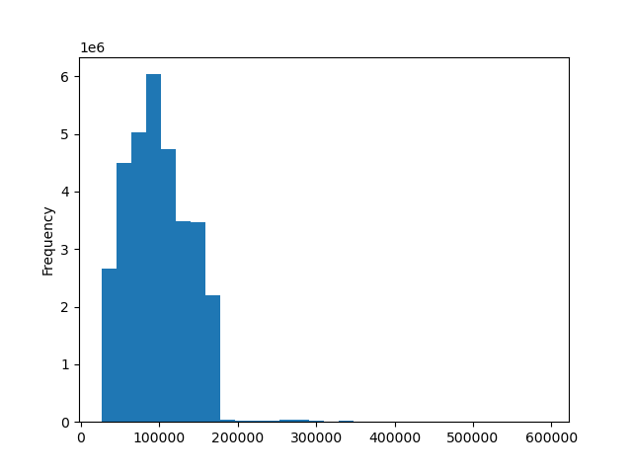
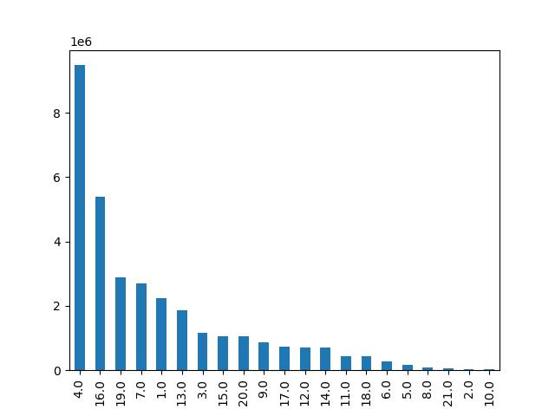
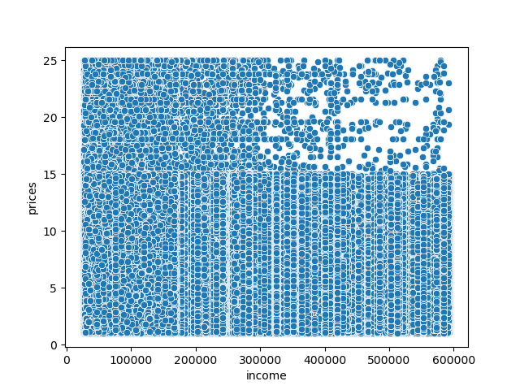

Figure 13: Order Frequency by Income
This histogram supports the hypothesis that the majority of Instacart orders come from middle class citizens.
Figure 14: Orders by Department
The largest number of orders come from the Dairy and Eggs department (department 4).
Figure 15: Prices and Income
Interestingly, this scatter plot seems to suggest that high priced items are more often bought by middle to lower class individuals.

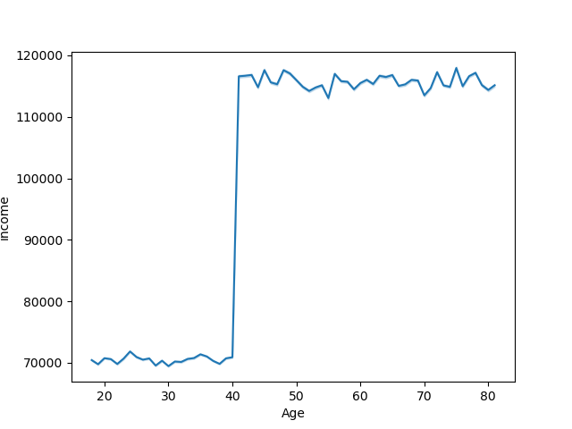
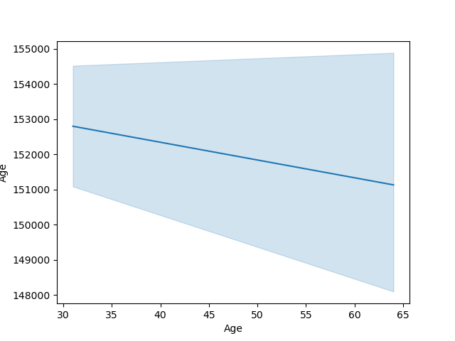

Figure 16: Average Income by Age & Figure 17: Average Number of Orders by Age
These two line graphs are meant to explore the relationship between age, spending power (income), and orders. Figure 16 shows that spending power increases as age increases (with some oddities) and Figure 17 shows that orders trend downward the older a customer is.
The customers with the highest spending potential seem to be ordering the least, suggesting that there is room for improvement with the older population.

7. Recommendations
 |  | Title page

Recommendations

General Recommendation:
The analysis suggest that the majority of Instacart Users are middle-class Southern parents. Instacart users generally order on weekends. One theory is that Instacart appeals to individuals who work long hours and need to watch their children on the weekend. Simply put, Instacart appeals to people who do not have the time to spend in a grocery store. This is supported by the fact that the highest performing departments are 'Dairy and Eggs' and Produce. Both of these have a high likelyhood to spoil if not stored properly. A busy parent may choose Instacart because of its ability to quickly deliver fesh groceries. Instacart's marketing team would benefit greatly from pushing deals for parents in both these departments.
However, the analysis also revelead that young parents are less likely to order from Instacart. This could be due to costs.
Overall, based on the data I would suggest focusing heavily on individuals that have children and work long hours. These individuals have a high likelihood of higher orders. If they can be converted to loyal customers, they would become the highest earning demographic by far.The key would be for the marketing team to focus on parents ages 26 to 45 as they have higher spending potential than their younger counterparts and arguably the busiest scheduels.

Question | Answer
The sales team needs to know what the busiest days of the week and hours of the day are (i.e., the days and times with the most orders) in order to schedule ads at times when there are fewer orders | Busiest days are Saturday and Sunday while the busiest hours are between 10:00 AM and 3:00 PM. See Figure 1 and Figure 3.
They also want to know whether there are particular times of the day when people spend the most money, as this might inform the type of products they advertise at these times. | Interestingly, people spend more money in the early moring. According to Figure 4, this happens between 4:00 and 5:00 AM. Individuals that make ≈ $100,000 annually are likely to spend more.
Instacart has a lot of products with different price tags. Marketing and sales want to use simpler price range groupings to help direct their efforts. | Instacart should group their products using ranges. Such ranges have been included in the data set.
Are there certain types of products that are more popular than others? The marketing and sales teams want to know which departments have the highest frequency of product orders. | According to Figure 14, the Dairy and Eggs department outperforms all other departments. The produce and snack departments follow close behind.
What’s the distribution among users in regards to their brand loyalty (i.e., how often do they return to Instacart)? | While there is some brand loyalty, most customers tend to be regular customers that return only occasionaly. See Figure 2.
Are there differences in ordering habits based on a customer’s loyalty status? | While there are more regular customers than loyal customers, loyal customers likely order more frequently, but not enough to match the orders of regular customers. See Figure 2.
Are there differences in ordering habits based on a customer’s region? | Yes, Figure 9 and Figure 11 show that more orders come from the South than other regions.
Is there a connection between age and family status in terms of ordering habits? | Parents make up the majority of Instacart orders. While Young Parents (ages 25 and under) do order from Instacart, they are less likely to order than their older counterparts. See Figure 11 and Figure 12
What different classifications does the demographic information suggest? | A majority of Instacart orders come from parents located in the South. See Figure 7 and Figure 9.
What differences can you find in ordering habits of different customer profiles? | There are not many differences orders from the various departments follow the same trends whether it is from Parents, Non-Parents, or Young Parents. The main difference would be that Non-Parents would order from the Baby Products department (department 18) less freqently. See Figure 10 and Figure 12.

